Grid view
Feature | JBehave | Cucumber
Documentation and Community
Official Documentation | 4 | 4
Getting Started Guides | 3 | 4
General Usage Guides | 4 | 4
API Documentation | 4 | 4
Code Examples | 3 | 4
Forums | 3 | 4
Up-to-date Blogs, Tutorials | 2 | 3
Active Community | 2 | 4
Conformity to BDD DSL (Gherkin)
User stories/features | 4 | 4
Scenario | 4 | 4
Background | 4 | 4
Scenario Outline | 4 | 4
Examples | 4 | 4
Given/When/Then/And/But | 4 | 4
Tags | 4 | 4
Tables | 4 | 4
Features
Flexibility in passing parameters | 4 | 4
IDE plugins (syntax highlighting, auto-completing...) | 3 | 4
Composite Steps | 4 | 1
Backgrounds and Hooks | 4 | 4
Formatting Flexibility | 2 | 4
Binding to code (Annotations) | 4 | 4
Lambda Expression support | 2 | 4
External Data Support | 4 | 3
Reports
Standard console output | 4 | 4
Pretty console output | 0 | 4
JSON output | 0 | 4
XML output (Structured) | 4 | 4
HTML output (well-formatted, readable) | 2 | 4
Usage report | 4 | 4
Visual representations (graphs, charts...) | 0 | 4
Report attachments | 0 | 4

Details for each metric can be found here: | LINK

Popularity and Activity
Stars | 228 | 1974
Watchers | 32 | 226
Forks | 255 | 1678
Last Commit | 8 months ago | 7 month ago
Code quality | Level 4 | Level 5
Popularity | 4.9 | 8.3
Activity | 7.7 | 9.2
Interest over time
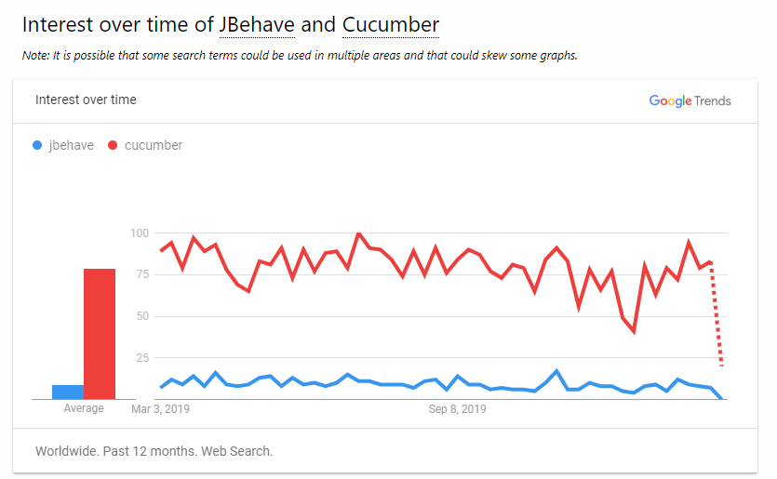

Data was taken from here: | LINK

Annotations and functionality
Before/After | BeforeScenario BeforeStory BeforeStories AfterScenario AfterStory AfterStories | Before After
Skip | Skip Ignore true | Tags
Pending | Pending | Pending + Exeption handling
Test data for all cases (including Remote) | + | -

